ERD Diagram
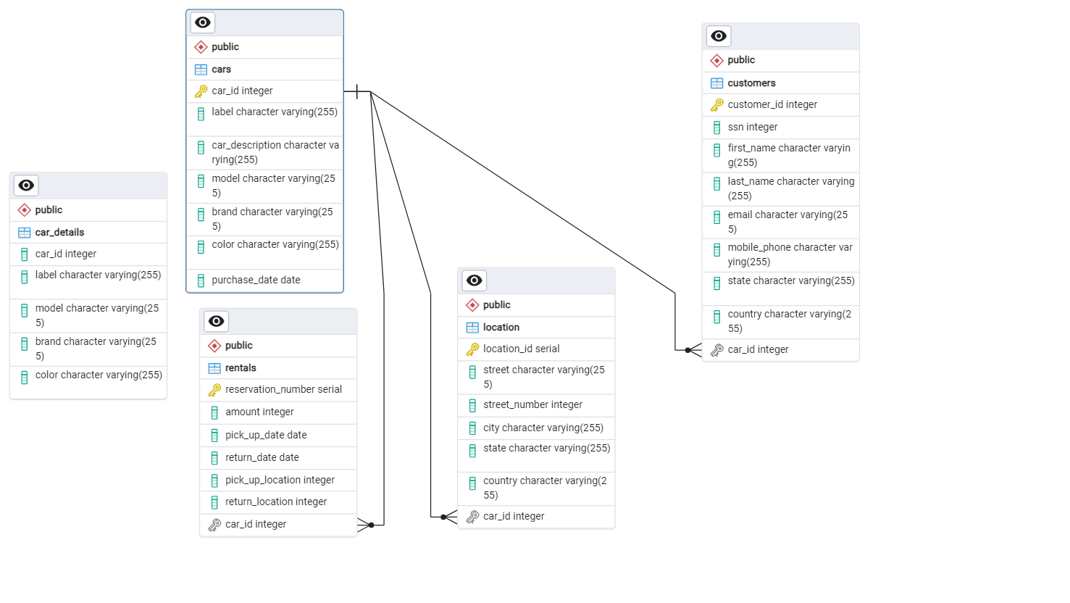
ERD Diagram

